Document History
Reference: | GATC_BSI_GUID_0125_App2 | abcd |  | ERTMS TRB | 2015-08-24 | Search for last date
 |  |  |  |  | M.Demeure | Search for corresponding name
DOCUMENT REVISIONS |  |  |  |  | Do not modify the above fields.

Revision | Author | Date | Comments
2013-06-13 | M.Demeure | 2013-06-13 | Begin of History Page. Continuing from issue 20120719 that was applicable for baseline 6.0.0 |  | This file contains automatic filling of the cover and history page.
2013-06-13 | M.Demeure | 2013-06-13 | CR atvcm00190586 Modification to this dynamic appendix only. Added Diagnose codes for Slip/side awareness and speed clipping (see codes 4076 and 4077). Applies for baseline 5.6.0.1.3 No review comment received within the extended delai. |  | Do not fill the column A of this page, it's automatic and used for other fields!
2013-07-04 | M.Demeure | 2013-07-04 | Review comments: GATC_BSI_GUID_0125_APP_20130613_draftA_COMT_AL
2013-07-15 | M.Demeure | 2013-07-15 | CR atvcm00197758 Modification to this dynamic appendix only. Removed messages 4057 to 4059. |  | Automatic filling of cover page:
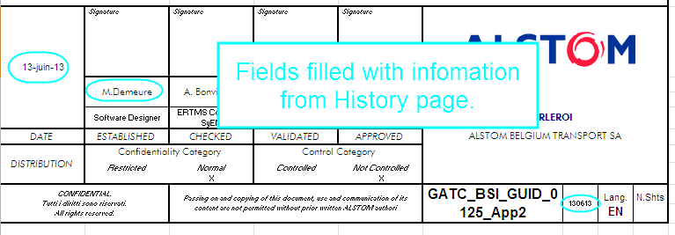
2014-04-04 | M.Demeure | 2014-04-04 | Added comments only - No modification to technical content.
2014-05-28 | M.Demeure | 2014-05-28 | CR atvcm00532649 - Change in items numbering for avoiding branches. Restored codes 4057 to 4059. Added code 4078.
2014-06-18 | M.Demeure | 2014-06-18 | Review comments: GATC_BSI_GUID_0125_V2.1_draftA_COMT_GG.doc
2014-06-19 | M.Demeure | 2014-06-19 | CR atvcm00548741 - BTM blind time diagnostic enhancement This is the minimum version for maind document V2.1 This is the minimum version for Baseline 6.2.C This is the minimum version for Baseline 6.2.D
2015-02-25 | M.Demeure | 2015-02-25 | CR atvcm00602751 - TLS protocol management CR atvcm00590575 - BDK : Key management online This is the minimum version for Baseline 6.3.B
2015-08-24 | M.Demeure | 2015-08-24 | CR atvcm00634172 - Add L_ENGINE_CHANGED This is the minimum version for Baseline 6.4.0.

